Sheet1
Kabupaten/Kota | Sekolah | Murid | Guru
Cilacap | 41 | 16440 | 1300 |  |  | data$Sekolah
Banyumas | 37 | 16264 | 1237 |  |  | [1] 41 37 16 13 25 23 17 35 32 28 27 21 14 25 36 22 14 26 17 22 34 25 15 32 14 17 23
Purbalingga | 16 | 7173 | 590 |  |  | [28] 25 32 12 34 8 73 9 12
Banjarnegara | 13 | 6456 | 492
Kebumen | 25 | 10025 | 791 |  |  | data$Murid
Purworejo | 23 | 8112 | 778 |  |  | [1] 16440 16264 7173 6456 10025 8112 6961 10826 10338 10692 11371 8911 9432
Wonosobo | 17 | 6961 | 588 |  |  | [14] 9053 15348 8019 7287 12430 9592 9888 12775 10841 5602 12134 5786 8005
Magelang | 35 | 10826 | 1042 |  |  | [27] 12461 9351 16013 4914 16661 4154 31466 3950 5425
Boyolali | 32 | 10338 | 989
Klaten | 28 | 10692 | 1188
Sukoharjo | 27 | 11371 | 1027 |  |  | data$Guru
Wonogiri | 21 | 8911 | 805 |  |  | [1] 1300 1237 590 492 791 778 588 1042 989 1188 1027 805 568 859 668 695
Karanganyar | 14 | 9432 | 568 |  |  | [17] 496 1060 697 650 791 750 457 875 454 585 869 585 1084 454 1424 336
Sragen | 25 | 9053 | 859 |  |  | [33] 7447 284 378
Grobogan | 36 | 15348 | 668
Blora | 22 | 8019 | 695
Rembang | 14 | 7287 | 496 |  |  | K-means clustering with 3 clusters of sizes 13, 10, 12
Pati | 26 | 12430 | 1060
Kudus | 17 | 9592 | 697 |  |  | Cluster means:
Jepara | 22 | 9888 | 650 |  |  | [,1]
Demak | 34 | 12775 | 791 |  |  | 1 13.69231
Semarang | 25 | 10841 | 750 |  |  | 2 38.60000
Temanggung | 15 | 5602 | 457 |  |  | 3 24.33333
Kendal | 32 | 12134 | 875
Batang | 14 | 5786 | 454 |  |  | Clustering vector:
Pekalongan | 17 | 8005 | 585 |  |  | [1] 2 2 1 1 3 3 1 2 2 3 3 3 1 3 2 3 1 3 1 3 2 3 1 2 1 1 3 3 2 1 2 1 2 1 1
Pemalang | 23 | 12461 | 869
Tegal | 25 | 9351 | 585 |  |  | Within cluster sum of squares by cluster:
Brebes | 32 | 16013 | 1084 |  |  | [1] 100.76923 1384.40000 50.66667
Magelang | 12 | 4914 | 454 |  |  | (between_SS / total_SS = 69.5 %)
Surakarta | 34 | 16661 | 1424
Salatiga | 8 | 4154 | 336 |  |  | Available components:
Semarang | 73 | 31466 | 7447
Pekalongan | 9 | 3950 | 284 |  |  | [1] "cluster" "centers" "totss" "withinss" "tot.withinss"
Tegal | 12 | 5425 | 378 |  |  | [6] "betweenss" "size" "iter" "ifault"

 |  |  |  |  | hasil$cluster
 |  |  |  |  | [1] 2 2 1 1 3 3 1 2 2 3 3 3 1 3 2 3 1 3 1 3 2 3 1 2 1 1 3 3 2 1 2 1 2 1 1

hasil$centers |  | hasil$size |  | table(hasil$cluster, data$Kabupaten.Kota.)
[,1] |  | [1] 13 10 12
1 13.69231 |  |  |  | Banjarnegara Banyumas Batang Blora Boyolali Brebes Cilacap Demak Grobogan Jepara
2 38.60000 |  |  |  | 1 1 0 1 0 0 0 0 0 0 0
3 24.33333 |  |  |  | 2 0 1 0 0 1 1 1 1 1 0
 |  |  |  | 3 0 0 0 1 0 0 0 0 0 1

 |  |  |  | Karanganyar Kebumen Kendal Klaten Kudus Magelang Pati Pekalongan Pemalang
 |  |  |  | 1 1 0 0 0 1 1 0 2 0
 |  |  |  | 2 0 0 1 0 0 1 0 0 0
 |  |  |  | 3 0 1 0 1 0 0 1 0 1

 |  |  |  | Purbalingga Purworejo Rembang Salatiga Semarang Sragen Sukoharjo Surakarta Tegal
 |  |  |  | 1 1 0 1 1 0 0 0 0 1
 |  |  |  | 2 0 0 0 0 1 0 0 1 0
 |  |  |  | 3 0 1 0 0 1 1 1 0 1

 |  |  |  | Temanggung Wonogiri Wonosobo
 |  |  |  | 1 1 0 1
 |  |  |  | 2 0 0 0
 |  |  |  | 3 0 1 0

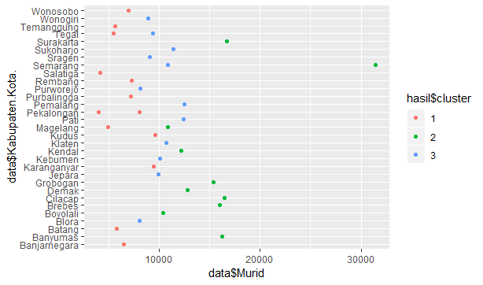
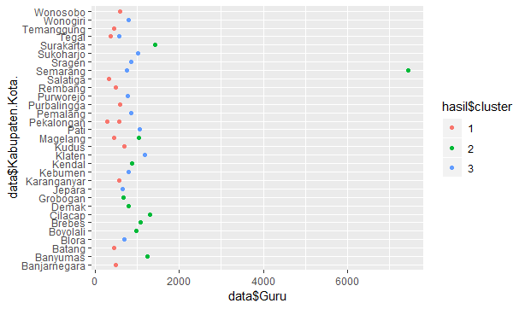

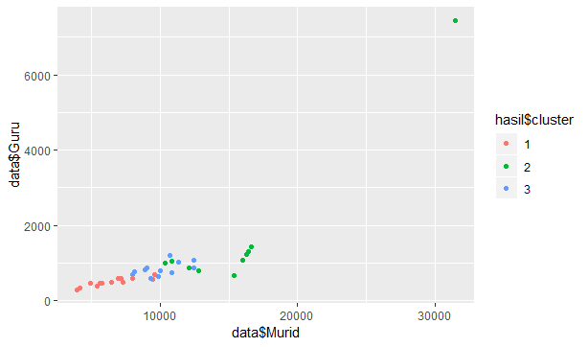
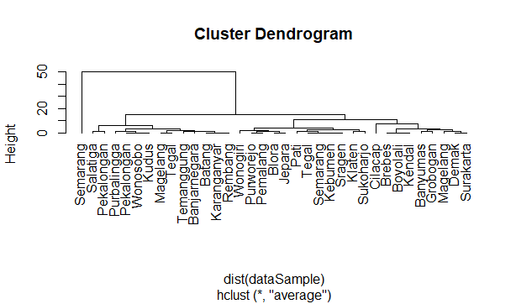

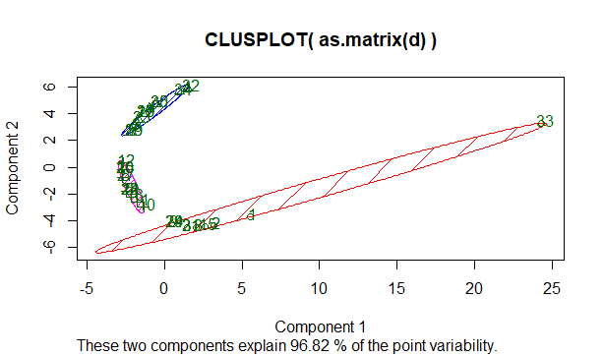
 |  |  |  |  |  |  | Medoids:
 |  |  |  |  |  |  | ID
 |  |  |  |  |  |  | [1,] 31 31
 |  |  |  |  |  |  | [2,] 25 25
 |  |  |  |  |  |  | [3,] 5 5
 |  |  |  |  |  |  | Clustering vector:
 |  |  |  |  |  |  | [1] 1 1 2 2 3 3 2 1 1 3 3 3 2 3 1 3 2 3 2 3 1 3 2 1 2 2 3 3 1 2 1 2 1 2 2
 |  |  |  |  |  |  | Objective function:
 |  |  |  |  |  |  | build swap
 |  |  |  |  |  |  | 3.142857 3.028571

 |  |  |  |  |  |  | Available components:
 |  |  |  |  |  |  | [1] "medoids" "id.med" "clustering" "objective" "isolation" "clusinfo"
 |  |  |  |  |  |  | [7] "silinfo" "diss" "call"

